Sheet1
Distance | RSSI
0 | -23.3
1 | -60
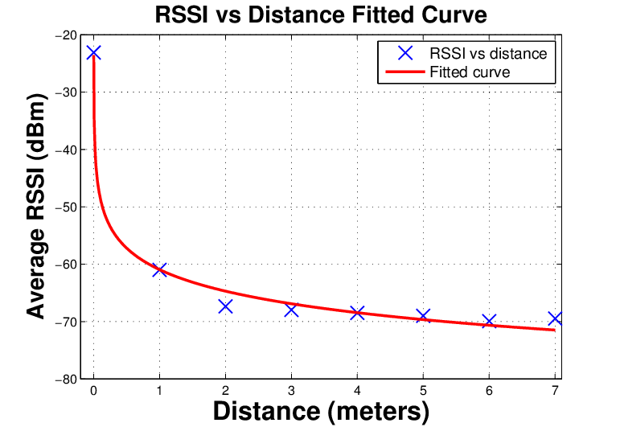
2 | -65
3 | -66.7
4 | -68.35
5 | -70
6 | -69.9375
7 | -69.875

Recreated Graph

